Calculation-F
Hydraulic calculation for Sprinkler System Design
NFPA 13
Hazard classification : |  | Ordinary hazard group 1
 |  |  |  |  |  |  |  |  | Ordinary Hazard Group 1
Area coverage by sprinkler (As): |  |  | 130 | ft² | As per NFPA-13 |  |  |  | Automobile parking
 |  |  |  |  |  |  |  |  | Bakeries
 |  |  |  |  |  |  |  |  | Beverage manufacturing
Density(D) : | 0.15 | gpm/ft² |  |  | As per NFPA-13 |  |  |  | Canneries
 |  |  |  |  |  |  |  |  | Dairy products
Total area protection(Ap) : |  | 1168.02 | ft² |  | As per NFPA-13 |  |  |  | Electronic plants
 |  |  |  |  |  |  |  |  | glass products manufacturing
K factor | = | 5.6 |  |  | As per NFPA-13 |  |  |  | Laundries
 |  |  |  |  |  |  |  |  | Restaurant service areas
Total number of sprinkler = |  | Ap/As |  |  |  |  |  |  | showrooms
 | N | = | 8.984769231
 | Suppose (N) | = | 9 | Sprinklers

Remote Area Length = |  |  | 41.0115691 | ft | 1.2 (Ap)2 | As per NFPA-13

Remote Area Width = |  |  | 28.48 | ft

Distance between sprinklers (S) = |  |  | 15 | ft | Max distance is 15ft as per NFPA-13, Ordinary hazard

Distance between branch lines (L) = |  |  | 8.67 | ft | As/S

Branch number of sprinklers = |  |  | 2.734104607 |  | 1.2 (Ap)2/S
 | Suppose | = | 3
Flow rate per sprinkler(Qs)= D * As

 | Qs | = | 19.5 | gpm

 | Qs =k * p½ |  | P residual =(Qs/k)2

 | P residual | = | 12.12531888 | psi | As per NFPA min. residual pressure 20psi for Ordinary Hazard
Start Point | P1 residual | = | 20 | psi | We will take this value, if take public water supply pipeline
Material of pipe black steel schedule 40
 | c | = | 120

 | path | Q(gpm) | D(in) | Pipe | Fitting and | N | Equivalence | Length(ft) | Friction loss | pressure | P(psi) | Notes
 |  |  |  | Length(ft) | Devices |  | Length (ft) | Total | (Psi/ft) | friction(Psi)

 | 1-a | 19.5 | 1 | 13.17 | 90° standard elbow | 2 | 2 | 22.17 | 0.16 | 3.48 | 23.48 | P1 | 23.48 | P(friction)=total length*friction loss per feet
 |  |  |  |  | Tee or Cross 90° | 1 | 5 |  |  |  |  | k = | 5.6 | P=Presidual+Pfriction
 |  |  |  |  | NONE |  | 0 |  |  |  |  | Q2 = | 27.13 | Q2=K(P)^1/2

 | 2-a | 19.50 | 1 | 8.417 | Tee or Cross 90° | 1 | 5 | 15.417 | 0.16 | 2.42 | 22.42 | P2 | 22.42
 |  |  |  |  | 90° standard elbow | 1 | 2 |  |  |  |  | k = | 5.6
 |  |  |  |  | NONE |  | 0 |  |  |  |  | Q3 = | 26.51

 | a-b | 53.65 | 1 | 2.759 | Tee or Cross 90° | 1 | 5 | 7.759 | 1.02 | 7.91 | 53.80
 |  |  |  |  | NONE
 |  |  |  |  | NONE |  | 0

 | 3-b | 19.5 | 1 | 9.022 | 90° standard elbow | 1 | 2 | 16.022 | 0.16 | 2.51 | 22.51 | P3 | 22.51
 |  |  |  |  | Tee or Cross 90° | 1 | 5 |  |  |  |  | k = | 5.6
 |  |  |  |  | NONE |  | 0 |  |  |  |  | Q5 = | 26.57
 |  |  | .
 | b-c | 80.22 | 1.25 | 6.464 | Tee or Cross 90° | 1 | 6 | 12.464 | 0.72 | 9.02 | 76.31
 |  |  |  |  | NONE |  | 0
 |  |  |  |  | NONE |  | 0

C62 | 4-c | 19.50 | 1 | 3.802 | Tee or Cross 90° | 1 | 5 | 10.802 | 0.16 | 1.69 | 21.69 | P6 = | 21.69
 |  |  |  |  | 90° standard elbow | 1 | 2 |  |  |  |  | k = | 5.6
 |  |  |  |  | NONE |  | 0 |  |  |  |  | Q6 = | 26.08 | Q (Adjust)=QLx√P/P

 | c-d | 106.30 | 1.5 | 14.933 | Tee or Cross 90° | 1 | 8 | 22.933 | 0.50 | 11.50 | 98.01
 |  |  |  |  | NONE |  | 0
 |  |  |  |  | NONE |  | 0

 | 5-d | 19.5 | 1 | 3.517 | Tee or Cross 90° | 1 | 5 | 10.517 | 0.16 | 1.65 | 21.65 | P8 = | 21.65
 |  |  |  |  | 90° standard elbow | 1 | 2 |  |  |  |  | k = | 5.6
 |  |  |  |  | NONE |  | 0 |  |  |  |  | Q8 = | 26.06

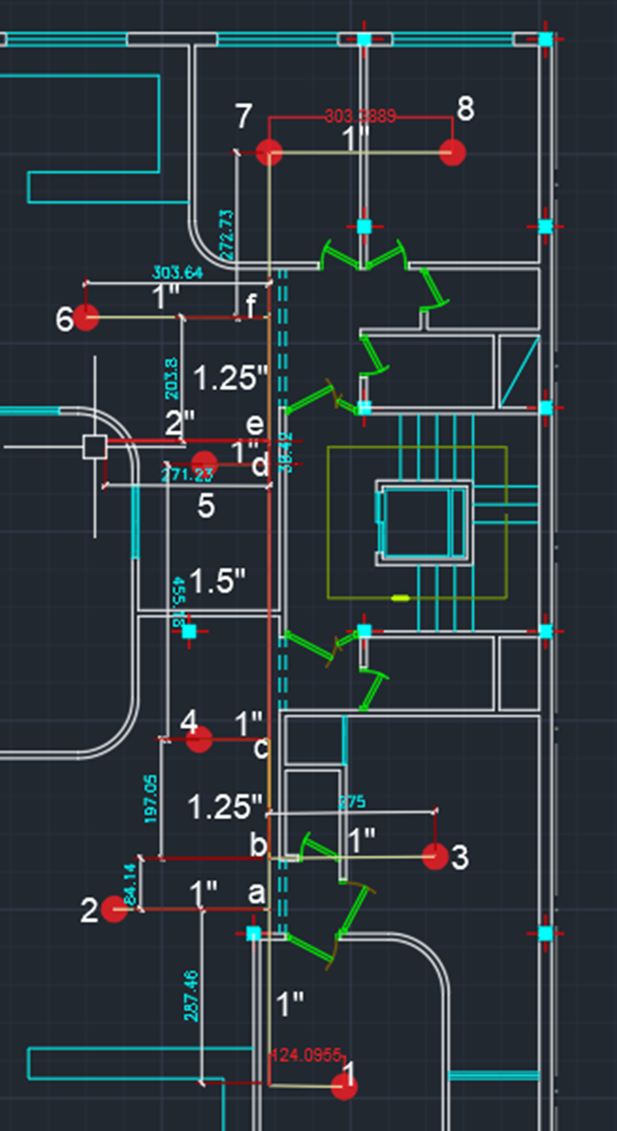
 | d-e | 132.35 | 1.5 | 1.26 | Tee or Cross 90° | 1 | 8 | 9.26 | 0.75 | 6.96 | 119.65
 |  |  |  |  | NONE |  | 0
 |  |  |  |  | NONE |  | 0

 | 7-8. | 19.50 | 1 | 9.97 | 90° standard elbow | 2 | 5 | 19.97 | 0.16 | 3.13 | 23.13 | P11 = | 23.13
 |  |  |  |  | NONE |  | 0 |  |  |  |  | k = | 5.6
 |  |  |  |  | NONE |  | 0 |  |  |  |  | Q11 = | 26.93
 | f-7 | 46.43 | 1 | 8.94 | 90° standard elbow | 1 | 2 | 15.94 | 0.78 | 12.44 | 35.57 | P10 = | 35.57
 |  |  |  |  | Tee or Cross 90° | 1 | 5 |  |  |  |  | k = | 5.6
 |  |  |  |  | NONE |  | 0 |  |  |  |  | Q10 = | 33.40
 | 6-f | 19.50 | 1 | 9.961 | Tee or Cross 90° | 1 | 10 | 21.961 | 0.16 | 3.44 | 23.44 | P10 = | 23.44
 |  |  |  |  | 90° standard elbow | 1 | 2 |  |  |  |  | k = | 5.6
 |  |  |  |  | NONE |  | 0 |  |  |  |  | Q10 = | 27.11
 | e-g | 106.94 | 2 | 6.686 | Tee or Cross 90° | 1 | 10 | 16.686 | 0.12 | 2.08 | 61.10
 |  |  |  |  | NONE |  | 0
 |  |  |  |  | NONE |  | 0 |  |  |  |  |  |  | Q (Adjust)=QLx√P/P
 | g-h | 239.30 | 2 | 6.686 | 90° standard elbow | 1 | 5 | 11.686 | 0.55 | 6.48 | 187.23
 |  |  |  |  | NONE |  | 0
 |  |  |  |  | NONE |  | 0
 | h-i | 239.30 | 6 | 48 | Butterfly valve | 0 | 6 | 48 | 0.00 | 0.13 | 187.35
 |  |  |  |  | NONE |  | 0
 |  |  |  |  | NONE |  | 0
 | i-j | 239.30 | 6 | 16.4 | Butterfly valve | 1 | 10 | 160.4 | 0.00 | 0.42 | 187.77
 |  |  |  |  | 90° standard elbow | 1 | 14
 |  |  |  |  | Tee or Cross 90° | 4 | 30

Total length | 169.987
Total pressure (friction+ residual) |  | 187.77
GPM | 239.30
P (friction and residual) |  | = | 12.95 | bar | 0.0689 x 187.77 |  |  | Note: | 1 foot WC= | 0.03bar
 |  |  |  |  |  |  |  |  | 1 foot WC= | 0.434psi
P (static) |  | = | 5.10 | bar | 169.987feet x 0.03 |  |  |  | 1 psi = | 0.0689bar
 |  |  |  |  |  |  |  |  | 1 bar = | 14.5psi
P (total) |  | = | 18.05 | bar | 14.6 x 14.5

PUMP HEAD PRESSURE = 18.05 BAR
PUMP FLOW CAPACITY = 239.30 GPM

Drawing-F
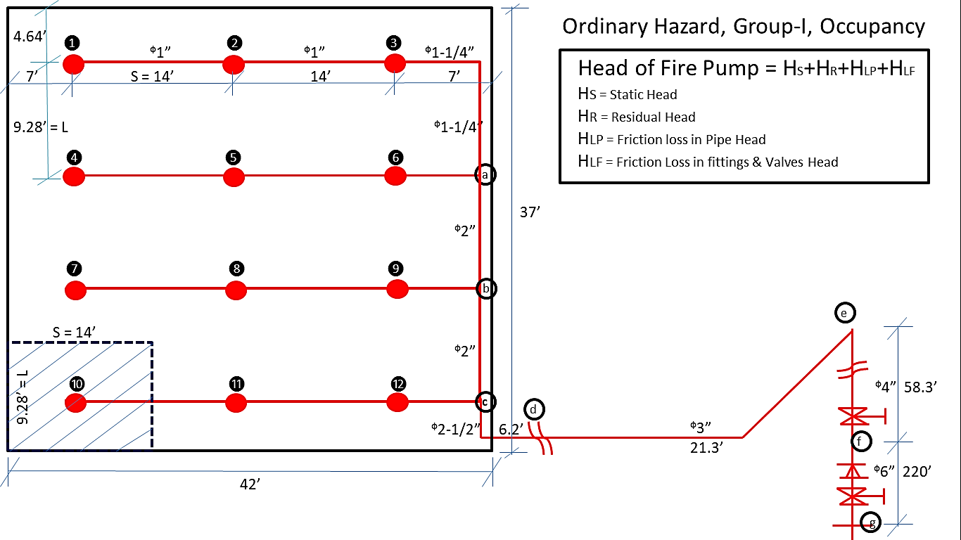

Tables
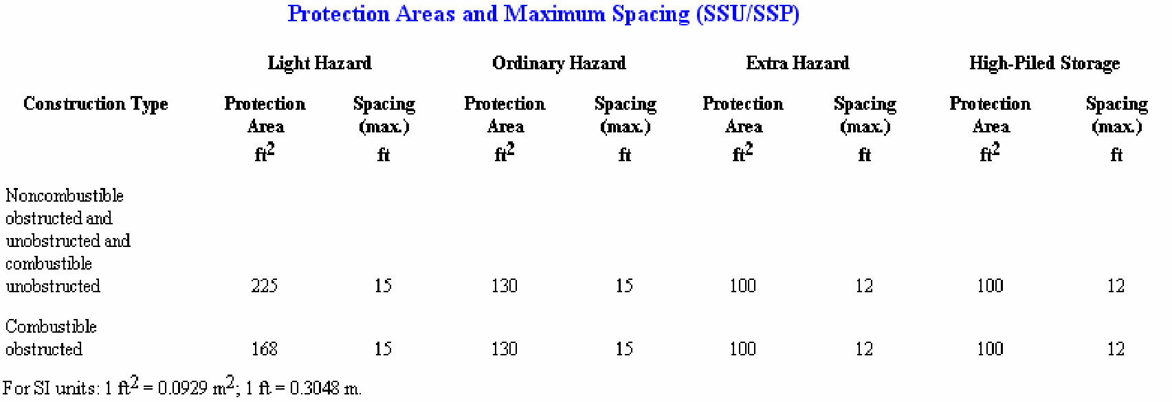
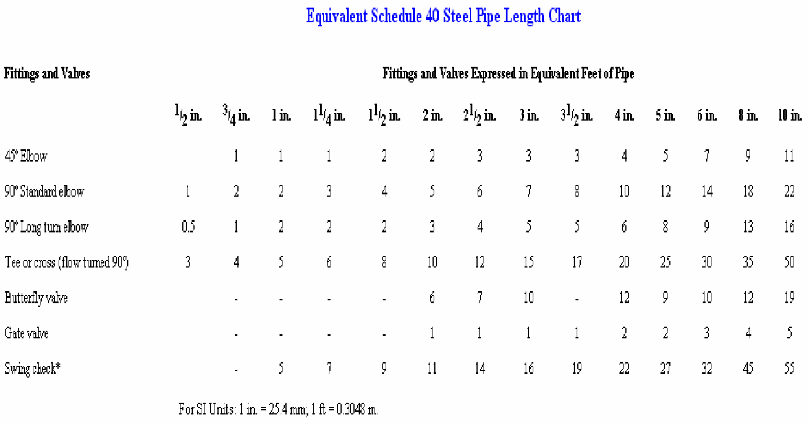
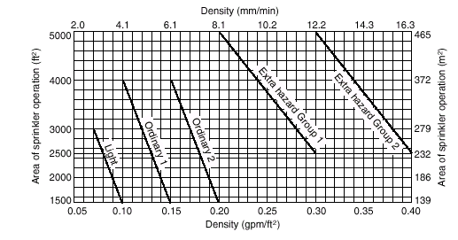
 | Classification of Occupancies.

 | Light Hazard Occupancies. | Ordinary Hazard Occupancies |  | Extra Hazard Occupancies
 |  | Group 1 | Group 2 | Group 1 | Group 2
 | Churches | Automobile parking | Cereal mills | Aircraft hangars | Asphalt saturating
 | Clubs | Bakeries | Chemical plants — ordinary | Combustible hydraulic fluid use areas | Flammable liquids spraying
 | Eaves and overhangs, | Beverage manufacturing | Confectionery products | Die casting | Flow coating
 | Educational | Canneries | Distilleries | Metal extruding | Manufactured home
 | Hospitals | Dairy products | Dry cleaners | Plywood and particles | Open oil quenching
 | Institutional | Electronic plants | Feed mills | Printing | Plastics processing
 | Libraries, | glass products manufacturing | Horse stables | Rubber | Solvent cleaning
 | Museums | Laundries | Leather goods manufacturing | Saw mills | Varnish and paint dipping
 | Nursing or accomodation | Restaurant service areas | Libraries — large stack room areas | Textile All kind
 | Offices, | showrooms | Machine shops | Upholstering with plastic foams
 | Residential |  | Metal working
 | Restaurant seating areas |  | Mercantile
 | Theaters and auditoriums, |  | Paper and pulp mills
 | Unused attics |  | Paper process plants
 |  |  | Piers and wharves
 |  |  | Post offices
 |  |  | Printing and publishing
 |  |  | Repair garages
 |  |  | Resin application area
 |  |  | Stages
 |  |  | Textile manufacturing
 |  |  | Tire manufacturing
 |  |  | Tobacco products manufacturing
 |  |  | Wood machining
 |  |  | Wood product assembly

 | Table 14.5.2.2.1 Light Hazard Pipe Schedules

 | Steel |  | Copper
 | 1 in. | 2 sprinklers | 1 in. | 2 sprinklers
 | 1¼ in. | 3 sprinklers | 1¼ in. | 3 sprinklers
 | 1½ in. | 5 sprinklers | 1½ in. | 5 sprinklers
 | 2 in. | 10 sprinklers | 2 in. | 12 sprinklers
 | 2½ in. | 30 sprinklers | 2½ in. | 40 sprinklers
 | 3 in. | 60 sprinklers | 3 in. | 65 sprinklers
 | 3½ in. | 100 sprinklers | 3½ in. | 115 sprinklers
 | 4 in. | See Section 8.2 | 4 in. | See Section 8.2

 | Table 14.5.2.4 Number of Sprinklers Above and Below a Ceiling

 | Steel |  | Copper
 | 1 in. | 2 sprinklers | 1 in. | 2 sprinklers
 | 1¼ in. | 4 sprinklers | 1¼ in. | 4 sprinklers
 | 1½ in. | 7 sprinklers | 1½ in. | 7 sprinklers
 | 2 in. | 15 sprinklers | 2 in. | 18 sprinklers
 | 2½ in. | 50 sprinklers | 2½ in. | 65 sprinklers

 | Table 14.5.3.4 Ordinary Hazard Pipe Schedule

 | Steel |  | Copper
25 | 1 in. | 2 sprinklers | 1 in. | 2 sprinklers
32 | 1¼ in. | 3 sprinklers | 1¼ in. | 3 sprinklers
40 | 1½ in. | 5 sprinklers | 1½ in. | 5 sprinklers
50 | 2 in. | 10 sprinklers | 2 in. | 12 sprinklers
65 | 2½ in.. | 20 sprinklers | 2½ in. | 25 sprinklers
80 | 3 in. | 40 sprinklers | 3 in. | 45 sprinklers
 | 3½ in. | 65 sprinklers | 3½ in. | 75 sprinklers
 | 4 in. | 100 sprinklers | 4 in. | 115 sprinklers
 | 5 in. | 160 sprinklers | 5 in. | 180 sprinklers
 | 6 in. | 275 sprinklers | 6 in. | 300 sprinklers
 | 8 in. | See Section 8.2 | 8 in. | See Section 8.2

 | Table 14.5.3.5 Number of Sprinklers — Greater than 12-ft (3.7-m) Separations

 | Steel |  | Copper
 | 2½ in. | 15 sprinklers | 2½ in. | 20 sprinklers
 | 3 in. | 30 sprinklers | 3 in. | 35 sprinklers
 | 3½ in. | 60 sprinklers | 3½ in. | 65 sprinklers

 | Table 14.5.3.7 Number of Sprinklers Above and Below a Ceiling

 | Steel |  | Copper
 | 1 in. | 2 sprinklers | 1 in. | 2 sprinklers
 | 1¼ in. | 4 sprinklers | 1¼ in. | 4 sprinklers
 | 1½ in. | 7 sprinklers | 1½ in. | 7 sprinklers
 | 2 in. | 15 sprinklers | 2 in. | 18 sprinklers
 | 2½ in. | 30 sprinklers | 2½ in. | 40 sprinklers
 | 3 in. | 60 sprinklers | 3 in. | 65 sprinklers

 | Table 10.10.2.1.3 Flow Required to Produce a Velocity of 10 ft/sec (3 m/sec) in Pipes

 | PIPE SIZE |  | FLOW RATE
 | IN | mm | gpm | L\S
 | 4 | 102 | 390 | 1,476
 | 6 | 152 | 880 | 3,331
 | 8 | 203 | 1,560 | 5,905
 | 10 | 254 | 2,440 | 9,235
 | 12 | 305 | 3,520 | 13,323

